List of SS Chairs-PF
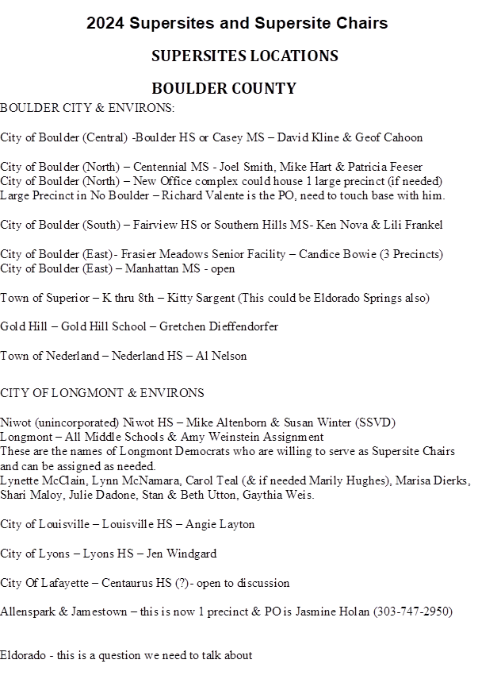
Site | Area | SuperSite Chairs | Note | District
Boulder
Boulder High School | Central Boulder | David Kline and Geof Cahoon |  | BVSD
Casey MS | Central Boulder | David Kline and Geof Cahoon |  | BVSD
Centennial MS | North Boulder | Joel Smith, Mike Hart, Patricia Feeser |  | BVSD
 | North Boulder |  | Niche Office Space could house one large pct | private
 | North Boulder | Richard Valenty's community room | need to contact | private
Southern Hills MS | backup for Fairview
Fairview HS or Southern Hills MS | South Boulder | Ken Nova and Lili Franklyn |  | BVSD
Frasier Meadows | Frasier Meadows | Candace Bowie | Frasier Community Room | private
Manhatten MS | East Boulder | Guy Errickson | need to contact | BVSD
New Vista ? (used to be Baseline MS) | Central Boulder W

Superior
Eldorado K8 | Superior | Kitty Sargent |  | BVSD

Mountains/Foothills
Gold Hill ES | Gold Hill Area | Gretchen Dieferderfer | Private Home or Firehouse | private
Nederland HS | Nederland Area | Al Nelson | Private Home or Firehouse | private
Lyons Middle Senior | Lyons Area | Jen Wingard |  | SVVSD
Allenspark Fire Station | Allenspark | Gretchen Dieferderfer (AC) PO is Jasmine Holan (303-7474-2950) | Private Home or Firehouse | private
Jamestown ES | Jamestown | Gretchen Dieferderfer | Private Home or Firehouse | private

East County
Niwot HS | Niwot Area | Mike Altenbern and Susan Winter |  | SVVSD
Erie HS | Erie | Lenore Kingston and ??? | need to contact | SVVSD
Louisville | Monarch HS, Monarch K8 | Angie Layton
Lafayette | Centaurus, Louisville MS, or Angevine MS | Carol Teal and/or Jennifer Bales??? | need to confirm Carol or Jennifer

Longmont
Central |  | Lynette McClain
NE |  | Lynne McNamara
Central |  | Shari Malloy
West |  | Julie Dadone
Central |  | Stan and Beth
? |  | Marisa Dirks
SE |  | Gaythia Weis
? |  | Marilyn Hughes, if needed

